Sheet1
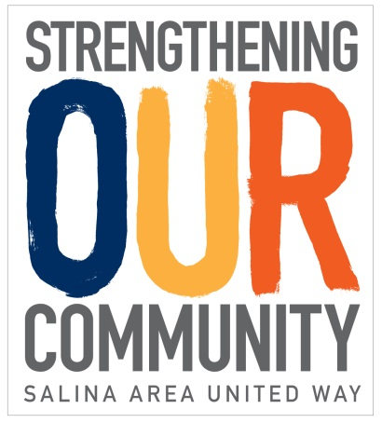
 |  |  |  | Account # : Business Name : Address :

Campaign Report Form
PLEASE COMPLETE ITEMS 1 THROUGH 6
Is this your FINAL campaign report? | Complete | •Total # of employees_______________ •Number of pay periods •Are all non-payroll deduction pledge cards enclosed? (Forward payroll deduction cards to your payroll department.) •Are checks and cash enclosed?
IF YES
1

Please do not include amounts reported on previous envelopes

**Red dots at the top corner of certain cells indicate there is a comment. To see the comment, simply hover your mouse over the cell.

2
Type of Contribution |  | Number of Donors | Pledges Raised | Payment Enclosed | Comments
a. Cash (enclose cash) |  |  |  |  | •Cash and checks should be included in the envelope. (Individual pledge only - please document Special Event dollars in the space provided below.)
b. Check (enclose checks)

SUBTOTAL - FULL PAID (a+b) |  | 0 | $- | $-
e. Payroll Deduction |  |  |  |  | •Enclose all campaign pledge forms. Keep a copy for your records..
TOTAL (add subtotal line + payroll deduction total) |  | 0 | 0 | 0

CORPORATE GIFT |  |  |  |  | •Please enclose corporate pledge card.

3
SPECIAL EVENTS |  |  |  |  | •Special Event dollars must be enclosed to be registered. Total dollars raised needs to equal amount enclosed.

4
TOTAL ALL GIFTS |  | 0 | $- | $-

5
Authorization: The information on the face of this envelope is accurate to the best of my knowledge. I have verified the payroll gifts, therefore, United Way is authorized to issue statements in these amounts.

6
Signature___________________________________________________ |  |  | Title_______________________________________________________

Phone #_______________________________________ |  | Date__________________________Email______________________________________

Picked up by:_______________________________________________ |  |  |  | Date____________________________

 |  |  |  | 